Sheet1
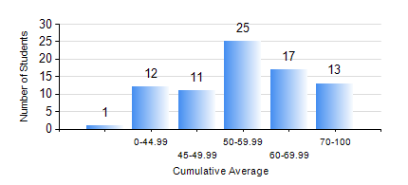
 |  |  | KWAME NKRUMAH UNIVERSITY OF SCIENCE AND TECHNOLOGY, KUMASI Department of Mechanical Engineering

 |  |  | BSC. AUTOMOBILE ENG.

 |  |  | COMPREHENSIVE RECORD OF EXAMINATION RESULTS

 |  |  | RESULTS OF YEAR 1 FIRST SEMESTER, 2024/2025 ACADEMIC YEAR

 | Sn | Course Code |  | Course Name | Credit Hours | Min. Mark | Max. Mark | Avg. Mark | Std. Dev. | No. Passed | No. Trailed | No. (Df) | No. (I) | No. (I*) | No. Tagged(I,I*,Df) | Total
 | 0. |  |  |  |  |  |  | 0 | 0 | 0 | 0 | 0 | 0 | 0 | 0 | 1
 | 1. | AME 167 |  | COMPUTER PROGRAMMING FOR ENGINEERS | 2 | 40 | 83 | 54 | 13.96 | 78 | 0 | 0 | 0 | 0 | 0 | 78
 | 2. | ECON 151 |  | INTRODUCTION TO ECONOMICS I | 2 | 14 | 90 | 59 | 17.67 | 70 | 8 | 0 | 0 | 0 | 0 | 78
 | 3. | EE 151 |  | APPLIED ELECTRICITY | 3 | 15 | 88 | 52 | 16.6 | 70 | 8 | 0 | 0 | 0 | 0 | 78
 | 4. | ENGL 157 |  | COMMUNICATION SKILLS I | 2 | 40 | 91 | 67 | 13.09 | 78 | 0 | 0 | 0 | 0 | 0 | 78
 | 5. | MATH 151 |  | ALGEBRA | 4 | 17 | 89 | 57 | 15.13 | 77 | 1 | 0 | 0 | 0 | 0 | 78
 | 6. | ME 159 |  | TECHNICAL DRAWING | 3 | 31 | 83 | 53 | 12.74 | 72 | 6 | 0 | 0 | 0 | 0 | 78
 | 7. | ME 195 |  | ENGINEERING TECHNOLOGY | 2 | 52 | 83 | 68 | 6.44 | 78 | 0 | 0 | 0 | 0 | 0 | 78

